73 kg
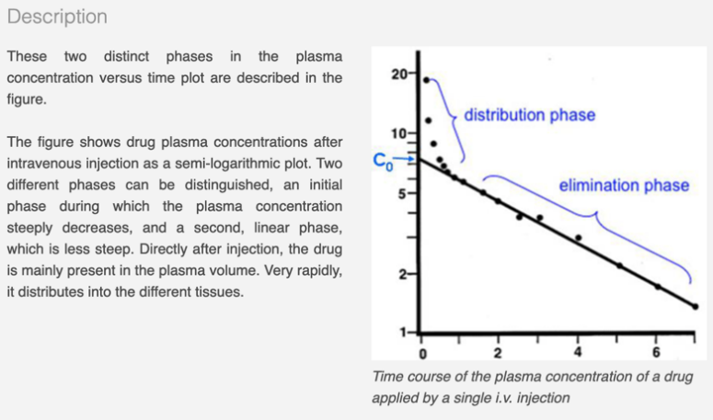
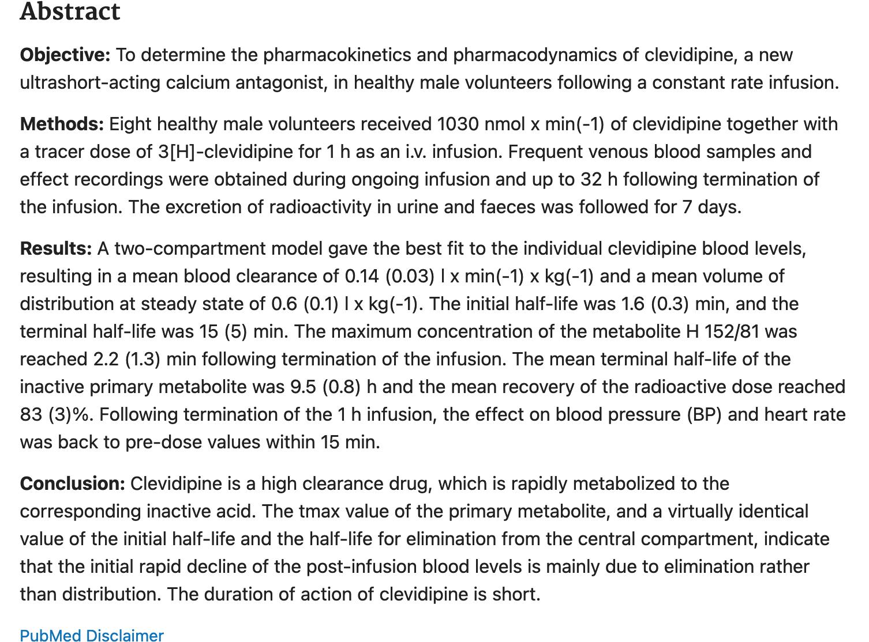
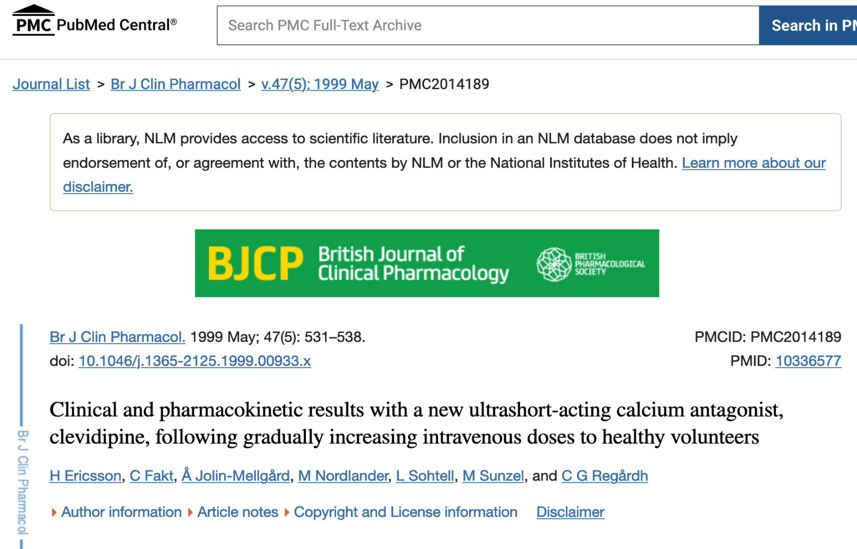
This spreadsheet is used to tune patient and drug parameters for Clevidipine to achieve Cp (nmol/L) values 10x Flow Rate for plotting
Parameters are simultaneously selected to produce a t 1/2 of 1.9 minute
Patient wt | 73 | kg
Vblood /kg | 70.0 | ml/kg |  |  |  |  |  |  |  |  | 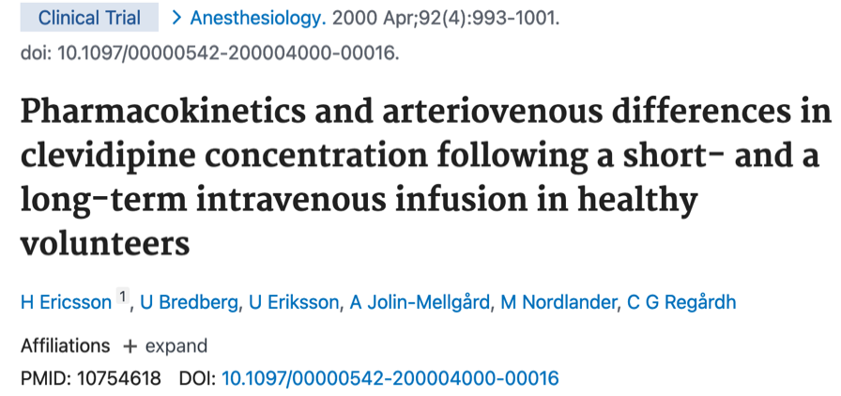 | Weight (kg) | CLwt (L/min/kg) 0.069-0.14 | CL (L/h) | Q' flow (ml/h) | Concentration (ug/ml) | Q'drug (ug/h) | Molar Conversion (ug/nmol) | Cp (ug/L) | Cp (nmol/L) | Vd.wt (L/kg) 0.19-0.6 | Vd(L) | t1/2 (min)
Vblood | 5110 | ml |  | https://www.omnicalculator.com/health/pediatric-blood-volume |  |  |  |  |  |  |  | 4.57 | 0.125 | 34.275 | 32 | 500 | 16000 | 0.456 | 466.8 | 1024 | 0.2 | 0.914 | 1.1
Vd / kg | 0.2 | l/kg | 0.6 | https://pubmed.ncbi.nlm.nih.gov/10206087/ |  |  |  | 0.19 | https://pubmed.ncbi.nlm.nih.gov/10754618/ |  |  | 18.31 | 0.125 | 137.325 | 32 | 500 | 16000 | 0.456 | 116.5 | 256 | 0.2 | 3.662 | 1.1
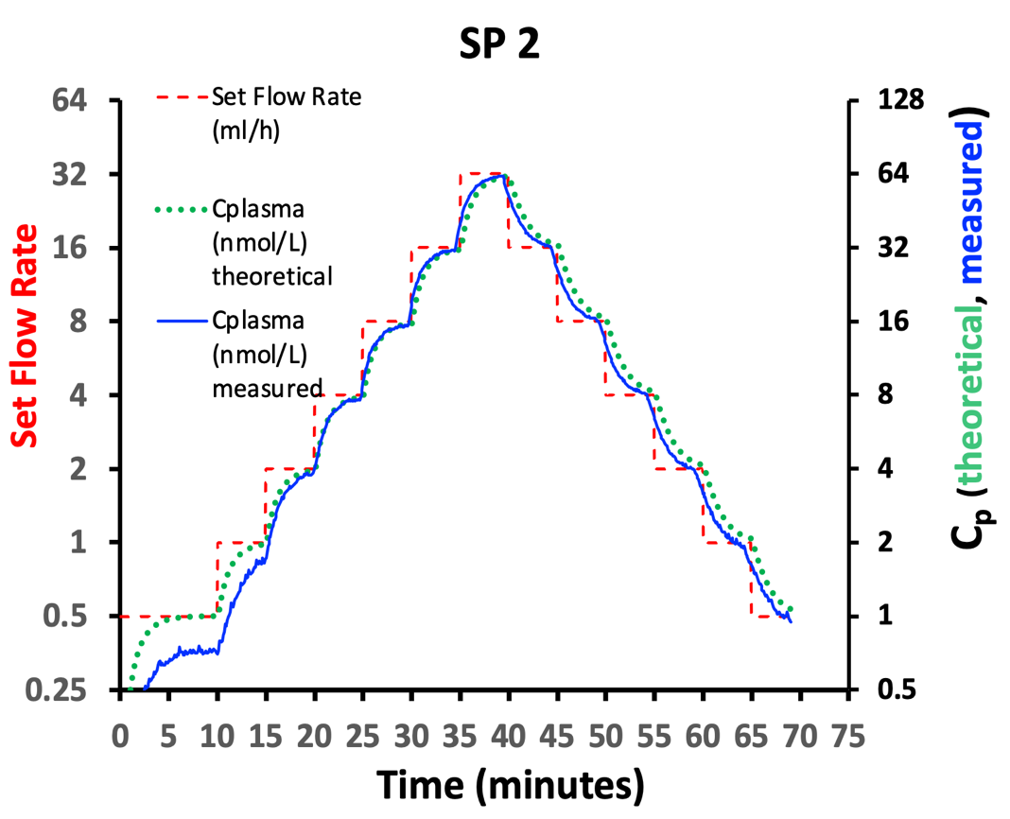
Vd | 14.6 | l |  |  |  |  |  |  |  |  |  | 73 | 0.125 | 547.5 | 32 | 500 | 16000 | 0.456 | 29.2 | 64 | 0.2 | 14.6 | 1.1
CL /kg | 0.125 | l/(min kg) | 0.14 | https://pubmed.ncbi.nlm.nih.gov/10206087/ |  |  |  | 0.069 | https://pubmed.ncbi.nlm.nih.gov/10754618/ |  |  | Selected Wts result in CP values which are even multilples of 2
CL | 9.125 | l/min | blood
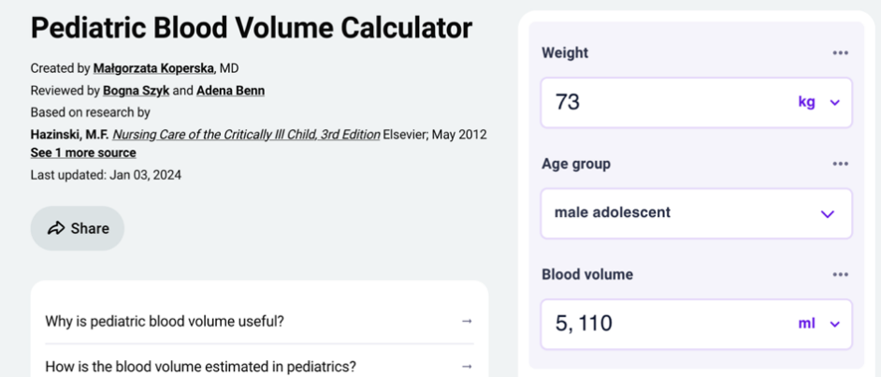
CL | 9125 | ml/min | blood | 548 | L/h
LOW PASS FILTER
1 minute
half-life
Ericsson experimental Clevidipine values computed from
Bolus Dose and measured plasma
concentrations.
t1/2 | 1.1 | min | t1/2 = Vd ln2/CL |  | 1.6 | min | https://pubmed.ncbi.nlm.nih.gov/10206087/

X total drug | 0.43 | mg | Dose x T1/2/ln(2)

Cdrug Clevidipine | 0.5 | mg/ml | ml of diluent | mg/ml | https://cleviprex.com/dosing-administration/?gclid=EAIaIQobChMIw7WKz9q1_QIVFR19Ch1vkQmVEAAYASAAEgKY3vD_BwE
$$V_{blood}=5.11L$$
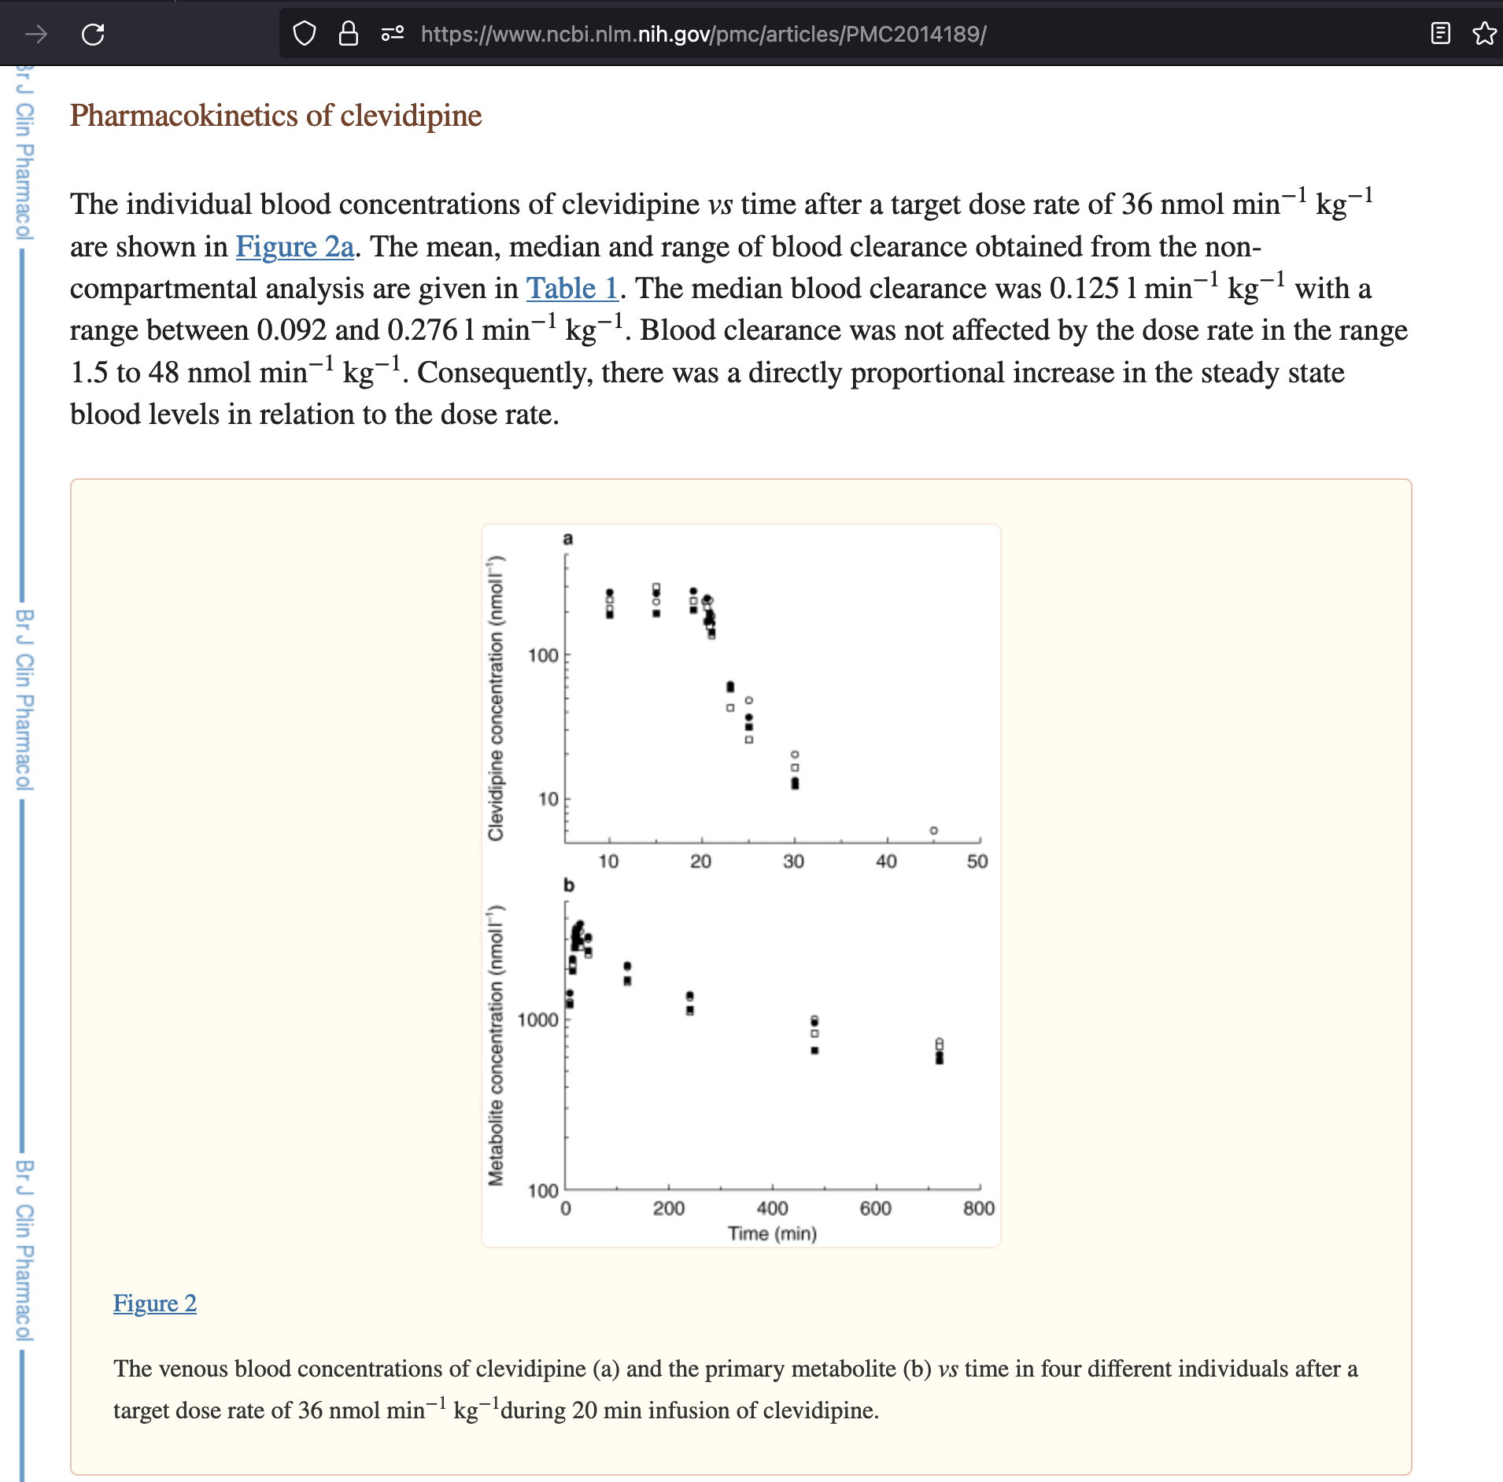
Clevidipine
0.5 mg/ml
500 ug/ml
Dose Rate | 16 | mg/h
Dose per kg Rate | 0.22 | mg/kg/h
Dose Rate | 0.27 | mg/min
computed total
blood volume is
not involved directly
in drug Vd and CL.
Dose moles | 8.0 | nmole/kg/min
$$V_{d(ist)}=\frac{{D\left(ose\right)}_{clev}(\frac{nmol}{kg})}{C_{plasma}(0)(\frac{nmol}{liter plasma})}$$
V_{d} = 0.2 L/kg
Ericsson
( 0.19-0.6 )
$\dot{Qdrug}$ = 16,000 ug/h
$\dot{Q}$ = 32 mL/h
X
Pump Flow Rate | 32 | ml/h |  |  |  | Cp_ss = DoseRate/CL
Cp (ug/L blood) | 29.2 | ug/Lplasma
Clevidipine Molar Wt | 456.32 | g/mol
$$C_{p_ss}=\frac{DoseRate}{Clearance}$$
Cp (nmol/Lplasma) | 64.0 | nmol/Lplasma
X
V_{d} 14.6 L
ln2
Concentration C(0)
extrapolated at t=0

$$÷$$
$$Cp=29.2 ug/L$$
$$÷$$
t-1/2= 1 min
73 kg
X
$$÷$$
$Cp=64 nmol/L$plasma
Note: Chosen parameters make Flow Rate in ml/h = Cp in mg/mL for convenient plotting - all scales same.
Changing Pump Flow Rate will make Cp change to same value
t1/2 is determined by ln2 x Vd/CL. from referenced studies probable values chosen to give 1 minute
$$t_{1/2}=\frac{V_{D} ln2}{Clearance}$$
X
CL 548 L/h
$$k_{el}=\frac{d(\ln{(C_{plasma(t)})}}{dt}$$
referenced
computed
chosen

CL = 0.125 L/(kg-min)
Ericsson
(0.069-0.14)
Clevidipine
456.32 g/mol
0.456 ug/nmol
draft legend for stair-step plots
Theoretical patient and drug parameters chosen produce plasma concentrations in mg/l conveniently equal to pump flow rate in ml/h. Clevidipine 0.5 mg/l, Wt 4.1 kg, blood volume 308 ml, volume of distribution 738 ml, clearance 492 ml/min, t1/2 1 minute.

Since the 1-compartment PK model estimates a central compartment (blood plasma) volume of drug in steady state we wanted to plot set flow rate on Left axis and a 'theoretical' plasma concentration Cp on the Right axis which describes the 'simulated' compartment concentration.
Our highest Clevidipine flow was 32 ml/h
We 'tuned' our choice of CL from measured Ericsson studies to create a plasma concentration of 64 nmol/L for a flow rate of 32 ml/h. This was strictly for numerical simplicity and ease of interpretation. We also 'tuned' a Vd value in range of Eriscsson's studies which produced a one-compartment half life of 1 minute corresponding to the computational model half-life used to filter the raw flow data.
PK reference text | https://pubmed.ncbi.nlm.nih.gov/10206087/ |  |  | *** note error in last par. page 9.
Vd | https://www.ncbi.nlm.nih.gov/books/NBK545280/
ln2 = | 0.69315
$$CL=V_{d(ist)}{∙K}_{el}$$

